PRD
Product Requirement Document (PRD) - Version: 1.0

Template Name |  | Project Requirements Management System
Goals & Objective |  | Project Rquirement Documentation Management System is a comprehensive software solution that centralizes requirement management, ensuring accuracy, collaboration, and efficiency Requirement capture and categorization. Version control and traceability. Collaboration and approval workflows. Reporting and analytics. Integration with other tools. Security and access control.
Client Information
Product Type |  | Web Application
Domain |  | Web2
Access Layers |  | Super Admin, Admin, Bussiness Analyst, Estimator, Client
Design Required |  | Yes

Phase | Item No | Specification [Role] | Screen Definition | User Story | Acceptance Criteria | UI Screen / Wireframe | Developer name
Feature: 1 |  | Authentication Feature
Feature: 2 |  | Dashboard Management
Feature: 3 |  | Notification
phase 1 | 6 | Notification List[Super Admin][Admin][Business Analyst][Estimator][Client] | <List> <ListItem> <Text>ABC Company bought Product A</Text> <Text>2 hours ago</Text> </ListItem> <ListItem> <Text>Transaction confirmed: $1200 received</Text> <Text>Yesterday</Text> </ListItem> </List> | - Super Admin can receive alerts when a Package is bought or when users give feedbacks. - Admin can receive alerts about project documentation details from his/her employees and client messages. - Admin can receive alerts when the transaction is completed. | -Notifications should be relevant and provide users with valuable information. -Notifications should be accurate and provide correct information. Any errors or discrepancies should be promptly corrected. | 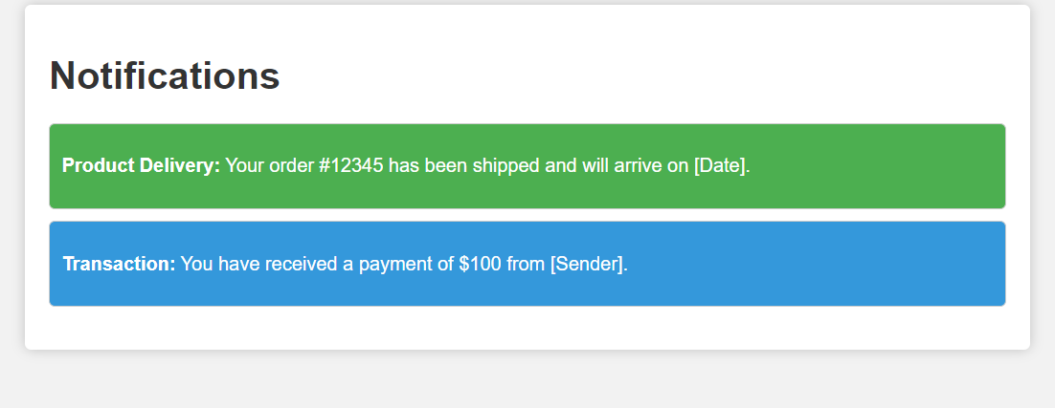
phase 1 | 7 | Notice [Super Admin][Admin][Business Analyst][Estimator] | Create Notice Update Notice discard notice | - Users can submit a notice to whoever they choose to notify something. | The notice should be prominently displayed and visually distinct. Users should have the option to customize or dismiss the notice. Dynamic content should update without requiring a page refresh. Display the notice at appropriate times, considering user actions and events. Ensure the notice adapts to different screen sizes and devices. | 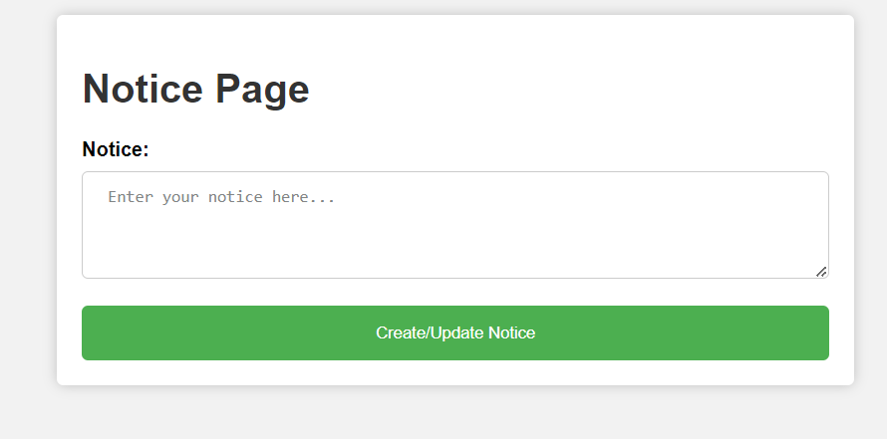
Feature: 4 |  | Communication
Feature: 5 |  | Account Management
Feature: 6 |  | Access Control
Feature: 7 |  | Search and Filter
Feature: 8 |  | User Training Management
Feature: 9 |  | Feedback & Report
Feature: 10 |  | Project Estimation Management
Feature: 11 |  | AI Chatbot
Feature: 12 |  | Document Management
phase 1 | 17 | Documents[Admin][Business Analyst][Estimator] | Create Document Update Document Upload Document | -User can Create Document -User can Update Document -User can Upload Document -User can View Document -User can see Progress Bar - Users can Import documents from document list - Users can Export documents from document list - Users can send documents via mail or through message | The document creation process should allow users to add titles, content, and categorize documents. Changes made to documents should be saved automatically Uploaded documents should be stored securely within the system Viewing should support common document formats and provide a user-friendly reading experience Imported documents should be organized and tagged appropriately. Email integration should allow users to select recipients, compose messages, and attach documents. | 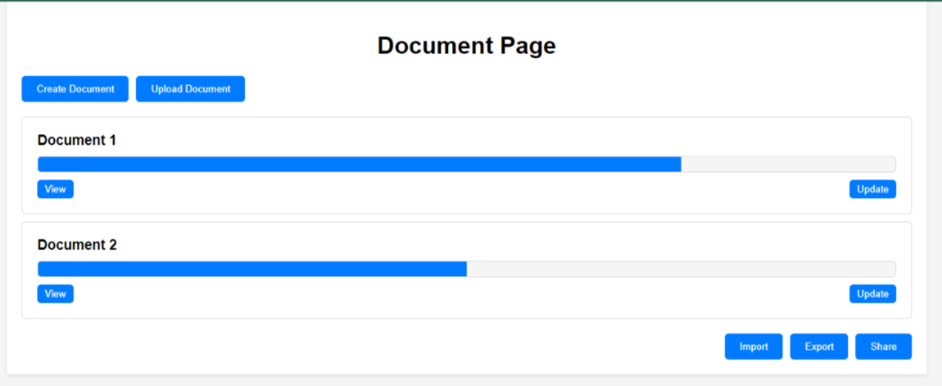
Feature: 13 |  | Subscription
phase 1 | 18 | Select Package [Admin] | Select Package | - Admin can select any package he/she wants - Admin has to select a transaction path from which he/she wants to pay - Admin has to fillup account information - By clicking "Send Money" the transaction will occur. - After complete transaction, Admin can see transaction details | can create an account or log in to an existing account to access the subscription feature. can view a list of available subscription plans with details on pricing, features, and billing cycles (e.g., monthly, yearly). Users can select a subscription plan based on their needs and preferences. Users should be able to upgrade, downgrade, or change their subscription plan at any time. | 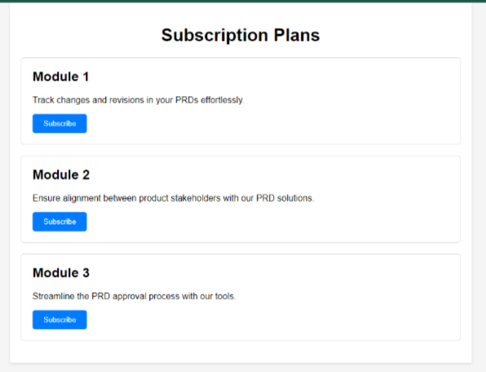
phase 2 | 19 | Account Information [Admin] | Select Transaction Path Fill-up Account Information Send Money | - Admin can select any package he/she wants - Admin has to select a transaction path from which he/she wants to pay - Admin has to fillup account information - By clicking "Send Money" the transaction will occur. - After complete transaction, Admin can see transaction details | The system should integrate with payment gateways to facilitate secure and seamless payments for subscription charges. Payment methods should include credit/debit cards, PayPal, and other relevant options. Users receive invoices or receipts for subscription payments, including billing details and payment confirmation. Invoices should be available for download and email delivery. | 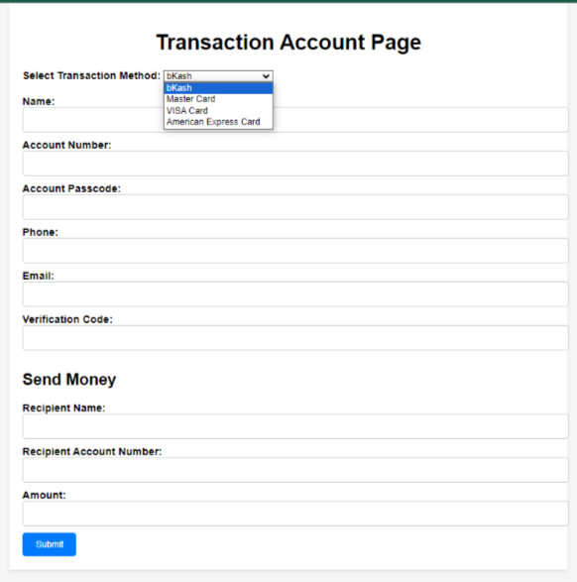
phase 3 | 20 | Transaction Details [Admin] | Details | - Admin can select any package he/she wants - Admin has to select a transaction path from which he/she wants to pay - Admin has to fillup account information - By clicking "Send Money" the transaction will occur. - After complete transaction, Admin can see transaction details | Users receive invoices or receipts for subscription payments, including billing details and payment confirmation. Invoices should be available for download and email delivery. Upon successful payment, the chosen subscription plan should be activated immediately, granting users access to premium features and content. | 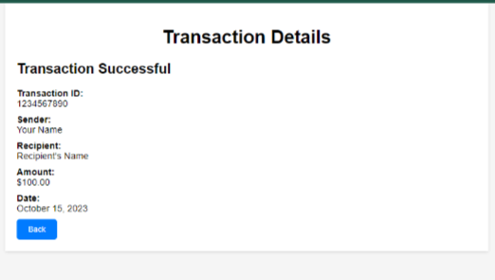
Feature: 14 |  | Data Analysis
Feature: 15 |  | Document Tracking
Feature: 16 |  | Task Management
phase 1 | 23 | Manage Task [Admin][Business Analyst][Estimator] | Select Project Task Assign | Role-Based Access Users can select a project from a list of available projects to manage tasks within that specific project. Task List Display Task Status Updates (Admin, Business Analyst, Estimator) Task Delegation (Admin, Business Analyst, Estimator) Task Deletion (Admin, Business Analyst, Estimator) Task Details View Task Attachments Task Notifications | Users with the roles of Admin, Business Analyst, and Estimator should have access to the "Manage Task" feature. After selecting a project, users should see a list of tasks associated with that project. The task list should provide key information about each task, including task name, assignee, due date, and status. Admin users have the ability to assign tasks to specific team members. When assigning tasks, Admin users can select an assignee from a list of available team members. Admin, Business Analyst, and Estimator users can reassign tasks to other team members if necessary. Delegated tasks should reflect the new assignee and notify both the previous and new assignees. Users should receive notifications about task assignments, updates, and comments related to tasks they are involved in. | 